Assets
ICONS

 | Total Sales | Average Sales

 | Reset Filters | Page Background/ Total sales card background

 | Information | card image

 | Home

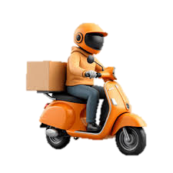
 | Filter Panel | Delivery partner

 | Average ratings

 | No. of items

